Do Now SAT #32
SAT Practice Test question 32

Slope is rise over run

Given the three points, write the slope formula 3 ways
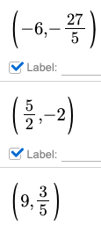
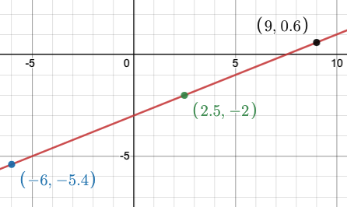
x | y
-6 | -5.4
2.5 | -2
9 | 0.6

